Inputs
 | pipeNominalOD |  | 0.24765 | m
 | pipeNominalWT |  | 0.034925 | m
 | pipeMinimumWT |  | 0.034925 | m
 | pipeNominalID |  | 0.1778
 | pipeExternalPressure |  | 0
 | pipeInternalPressure |  | 0.00E+00
 | pipeTensionEffective |  | 6674724 | N
 | pipeMoment |  | 0
 | pipeYieldStrength |  | 5.52E+08 | Pa

 | pipeMinimumID |  | 0.1778 | m

 | pipeA |  | 0.023340213256 | m^2
 | pipeAi |  | 0.024828666476 | m^2
 | pipeAo |  | 0.048168879732 | m^2

 | pipeI |  | 0.00013558236884 | m^4
pipeTensionTrue | pipeTensionEffective + (pipeInternalPressure*pipeAi) - (pipeExternalPressure*pipeAo)
 | pipeTensionTrue |  | 6674724

 |  |  | 0

 |  |  | 0

 | T/A |  | 285975279.09
 | M/2I |  | 0

 |  |  | 285975279.09 |  | Considering Addition

 |  |  | 285975279.09 |  | Considering Subtraction

 |  |  | 0.70710678119

 |  |  | 1.6356372051E+17

 |  |  | 285975279.09 | Pa |  | L.H.S of Equation(5)

 |  |  | 41.477207606 | Ksi |  | L.H.S of Equation(5)

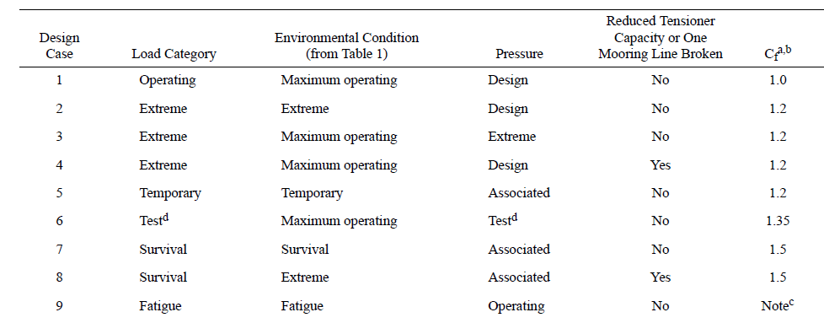
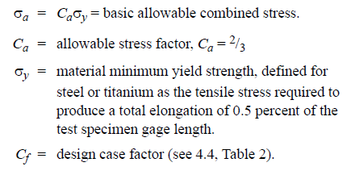

Cf |  | 1.5 |  | Considering Survival load category

 |  |  | 3.68E+08

 |  |  | 5.52E+08 |  | R.H.S of Equation(5)

 |  |  | 79.999857515 | Ksi

Limits
 |  | Solve For? | Internal Pressure |  |  |  | Tension |  |  | Moment |  |  | External Pressure
 |  |  |  |  |  |  |  | Tensile Yield Strength
 |  | Units
Geometry
pipeNominalOD |  | m | 0.24765 | 0.24765
pipeNominalWT |  | m | 0.034925 | 0.034925
pipeMinimumWT |  | m | 0.034925 | 0.034925
pipeNominalID |  |  | 0.1778 | 0.1778

Material Properties
Yield Strength |  | ksi | 80
 |  | Pa | 5.52E+08

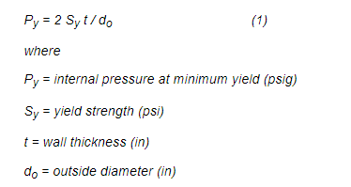
pipeA |  | m^2 | 0.023340213256
pipeAi | Ai | m^2 | 0.024828666476
pipeAo | Ao | m^2 | 0.048168879732
pipeI | I | m^4 | 0.00013558236884

Loading
pipeExternalPressure | Po |  | 0 |  |  |  | 0 |  |  | 0 |  |  | #REF!
pipeInternalPressure | Pi | ksi | 10 |  |  |  | 0 |  |  | 0 |  |  | 0
pipeTensionEffective |  | kN | 0 |  |  |  | 8574.090 |  |  | 0 |  |  | 0
pipeMoment |  | kNm | 0 |  |  |  | 0 | 0 |  | 468.272 |  |  | 0 | 0

PipeTrueTension |  |  | pipeTensionEffective + (pipeInternalPressure*pipeAi) - (pipeExternalPressure*pipeAo) |  |  |  | T
T |  |  | Pi*Ai |  |  |  |  |  |  |  |  |  | -Po*Ao

 | ^ | +
Cf |  |  | 1.5 | 1.2 | 1 |  | 1.5 | 1.2 | 1 | 1.5 | 1.2 | 1 | 1.5 | 1.2 | 1

 |  |  |  |  |  |  | -(PiDi)/(Do+Di)
 |  |  |  |  |  |  | -4.1791 |  |  | -4.1791044776

 |  |  |  |  |  |  | PiDo/(2t) - Pi
 |  |  |  |  |  |  | 25.455 |  |  | 25.454545455

 |  |  |  |  |  |  | T/A | 1/A |  | M/2I * (Do-t)
 |  |  |  |  |  |  | T | 42.845 |  | 1/2I * (Do-t) | 784.48621977

 |  |  |  |  |  |  | 878.153 |  |  | 878.1532083

 |  |  |  |  |  |  | {[Pi(Do/2t)-Pi]-(T/A)}^2 |  |  | {[Pi(Do/2t)-Pi]-M/2I(Do-t)}^2
 |  |  |  |  |  |  | [Pi(Do/2t)-Pi]^2+ (T/A)^2 - 2*([Pi(Do/2t)-Pi])*(T/A) |  |  | [Pi(Do/2t)-Pi]^2 + [M/2I(Do-t)]^2 - 2*[Pi(Do/2t)-Pi]*[M/2I(Do-t)]

 |  |  |  |  |  |  | (T/A)+[(Pi*Di)/(Do+Di)]}^2 |  |  | { [M/2I(Do-t)] + [(PiDi)/(Do+Di)] }^2
 |  |  |  |  |  |  | (T/A)^2+[(Pi*Di)/(Do+Di)]^2+2*([(Pi*Di)/(Do+Di)]*(T/A) |  |  | [M/2I(Do-t)]^2 + [(PiDi)/(Do+Di)]^2 +2* [M/2I(Do-t)]*[(PiDi)/(Do+Di)]

 |  |  |  |  |  |  | 1/A | 42.845 |  | 1/2I * (Do-t) | 784.48621977
 |  |  |  |  |  |  | 2*(1/A) | 85.689 |  | [1/2I * (Do-t)] ^2 | 615418.63
 |  |  |  |  |  |  | (1/A)^2 | 1835.652 |  | [1/2I * (Do-t)] * [(PiDi)/(Do+Di)] | -3278.4498737

 |  |  |  |  |  |  | (SIGMApr-SIGMApo)^2+{[Pi(Do/2t)-Pi]-(T/A)}^2+{(T/A)+[(Pi*Di)/(Do+Di)]}^2 |  |  | (SIGMApr-SIGMApo)^2 + {[Pi(Do/2t)-Pi]-M/2I(Do-t)}^2 + { [M/2I(Do-t)] + [(PiDi)/(Do+Di)] }^2
 |  |  |  |  |  |  | (SIGMApr-SIGMApo)^2+[Pi(Do/2t)-Pi]^2+ (T/A)^2 - 2*([Pi(Do/2t)-Pi])*(T/A)+(T/A)^2+[(Pi*Di)/(Do+Di)]^2+2*([(Pi*Di)/(Do+Di)]*(T/A) |  |  | (SIGMApr-SIGMApo)^2 + [Pi(Do/2t)-Pi]^2 + [M/2I(Do-t)]^2 - 2*[Pi(Do/2t)-Pi]*[M/2I(Do-t)] + [M/2I(Do-t)]^2 + [(PiDi)/(Do+Di)]^2 +2* [M/2I(Do-t)]*[(PiDi)/(Do+Di)]
 |  |  |  |  |  |  | 2*(T/A)^2 + (2T/A) {[(Pi*Di)/(Do+Di)]- [Pi(Do/2t)-Pi]} + (SIGMApr-SIGMApo)^2 + [Pi(Do/2t)-Pi]^2 + [(Pi*Di)/(Do+Di)]^2 |  |  | 2*[M/2I(Do-t)]^2 + {2* [M/2I(Do-t)]*[(PiDi)/(Do+Di)] } - {2*[Pi(Do/2t)-Pi]*[M/2I(Do-t)] } + (SIGMApr-SIGMApo)^2 + [Pi(Do/2t)-Pi]^2 + [(PiDi)/(Do+Di)]^2
 |  |  |  |  |  |  |  |  |  | 2*[M/2I(Do-t)]^2 + 2M { {[/2I(Do-t)]*[(PiDi)/(Do+Di)] } - {[Pi(Do/2t)-Pi]*[1/2I(Do-t)] }} + (SIGMApr-SIGMApo)^2 + [Pi(Do/2t)-Pi]^2 + [(PiDi)/(Do+Di)]^2
 |  |  |  |  |  |  | {[(Pi*Di)/(Do+Di)]- [Pi(Do/2t)-Pi]} | -29.634
 |  |  |  |  |  |  | (SIGMApr-SIGMApo)^2 + [Pi(Do/2t)-Pi]^2 + [(Pi*Di)/(Do+Di)]^2 | 1543.552 |  | (SIGMApr-SIGMApo)^2 + [Pi(Do/2t)-Pi]^2 + [(PiDi)/(Do+Di)]^2 | 1543.55
 |  |  |  |  |  |  | 1543.5520068 | T^2 |  | {[1/2I(Do-t)]*[(PiDi)/(Do+Di)] } - {[Pi(Do/2t)-Pi]*[1/2I(Do-t)] }} | -23247.19
 |  |  |  |  |  |  | (1/A) {[(Pi*Di)/(Do+Di)]- [Pi(Do/2t)-Pi]} | -1269.639 |  | [1/2I * (Do-t)] ^2 | 615418.629

 |  |  |  |  |  |  | 27.78085678

 |  |  |  |  |  |  | 27.7808567797501T | LHS

Ca |  |  | 0.666 | 0.8 | 1 |  | 0.667 | 0.8 | 1

 |  | pa | 53.28 | 6.40E+01 | 8.00E+01 |  | 53.333333333 | 64 | 80

 |  | Ksi | 80 | 76.8 | 53.28 | RHS | 79.92 | 63.936 | 53.28
 |  | pa | 5.51E+08 | 5.30E+08 | 3.67E+08 |  | 5.51E+05 | 4.41E+05 | 3.67E+05

 |  |  |  |  |  |  | Square on both sides

 |  |  |  |  |  |  |  |  |  | =
 |  |  |  | = |  |  | =

 |  |  |  |  |  | T^2
 |  |  |  |  |  |  | (SIGMApr-SIGMApo)^2+{[Pi(Do/2t)-Pi]-(T/A)}^2+{(T/A)+[(Pi*Di)/(Do+Di)]}^2 = 2*{Cf*SigmaA}^2 |  |  | 2*[M/2I(Do-t)]^2 + 2M { {[/2I(Do-t)]*[(PiDi)/(Do+Di)] } - {[Pi(Do/2t)-Pi]*[1/2I(Do-t)] }} + (SIGMApr-SIGMApo)^2 + [Pi(Do/2t)-Pi]^2 + [(PiDi)/(Do+Di)]^2 = 2* { Cf*SigmaA}^2
 |  |  |  |  |  |  | (SIGMApr-SIGMApo)^2+[Pi(Do/2t)-Pi]^2+ (T/A)^2 - 2*([Pi(Do/2t)-Pi])*(T/A)+(T/A)^2+[(Pi*Di)/(Do+Di)]^2+2*([(Pi*Di)/(Do+Di)]*(T/A) = 2*{Cf*SigmaA}^2 |  |  | 2*[M/2I(Do-t)]^2 + 2M { {[/2I(Do-t)]*[(PiDi)/(Do+Di)] } - {[Pi(Do/2t)-Pi]*[1/2I(Do-t)] }} = 2* { Cf*SigmaA}^2 - { (SIGMApr-SIGMApo)^2 + [Pi(Do/2t)-Pi]^2 + [(PiDi)/(Do+Di)]^2 }
 |  |  |  |  |  |  | 2*(T/A)^2 + (2T/A) {[(Pi*Di)/(Do+Di)]- [Pi(Do/2t)-Pi]} = 2*{Cf*SigmaA}^2 - { (SIGMApr-SIGMApo)^2 + [Pi(Do/2t)-Pi]^2 + [(Pi*Di)/(Do+Di)]^2 }
 |  |  |  |  |  |  | (T/A)^2 + (T/A) {[(Pi*Di)/(Do+Di)]- [Pi(Do/2t)-Pi]} = {Cf*SigmaA}^2 - { (SIGMApr-SIGMApo)^2 + [Pi(Do/2t)-Pi]^2 + [(Pi*Di)/(Do+Di)]^2 } |  |  | 2* { Cf*SigmaA}^2 - { (SIGMApr-SIGMApo)^2 + [Pi(Do/2t)-Pi]^2 + [(PiDi)/(Do+Di)]^2 } | 2.6989596623E+17
 |  |  |  |  |  |  |  |  |  | 2*[M/2I(Do-t)]^2 + 2M { {[/2I(Do-t)]*[(PiDi)/(Do+Di)] } - {[Pi(Do/2t)-Pi]*[1/2I(Do-t)] }} | 2.6989596623E+17
 |  |  |  |  |  |  | {Cf*SigmaA}^2 - { (SIGMApr-SIGMApo)^2 + [Pi(Do/2t)-Pi]^2 + [(Pi*Di)/(Do+Di)]^2 } | 1.35E+17 |  | [M/2I(Do-t)]^2 + M { {[1/2I(Do-t)]*[(PiDi)/(Do+Di)] } - {[Pi(Do/2t)-Pi]*[1/2I(Do-t)] }} | 1.3494798311E+17


 |  |  |  |  |  |  | (T/A)^2 + (T/A) {[(Pi*Di)/(Do+Di)]- [Pi(Do/2t)-Pi]} = {Cf*SigmaA}^2 - { (SIGMApr-SIGMApo)^2 + [Pi(Do/2t)-Pi]^2 + [(Pi*Di)/(Do+Di)]^2 }
 |  |  |  |  |  |  |  |  |  |  | 1.35E+17

 |  |  |  |  |  |  |  | 1.35E+17

 |  |  |  |  |  |  | a | 1835.652
 |  |  |  |  |  |  | b | -1269.639 |  | a | 615418.63
 |  |  |  |  |  |  | c | -1.35E+17 |  | b | -23247.19
 |  |  |  |  |  |  |  |  |  | c | -1.35E+17
 |  |  |  |  |  |  | 8574089.97 | Tension (N) |  | Moment (Nm) | 468271.68
 |  |  |  |  |  |  | -8574089.28 |  |  |  | -468271.65

